Landing Page
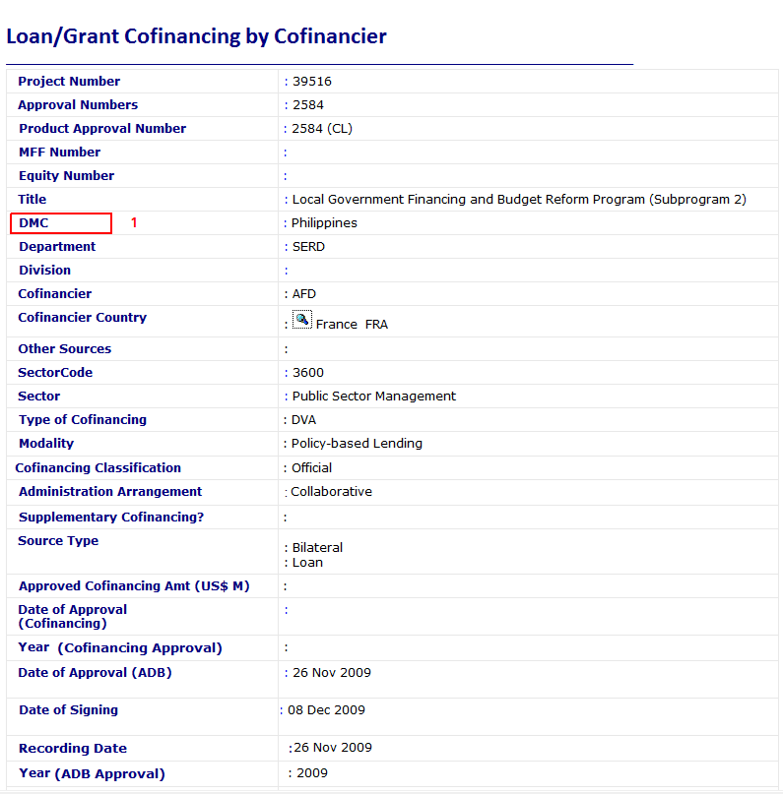
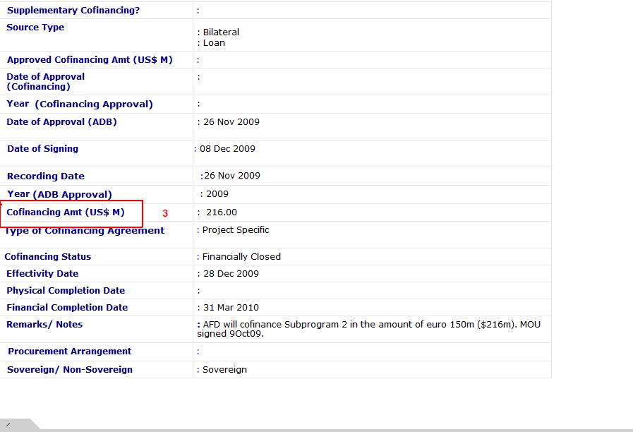
 | CoMs Web | CoFin Encoding | Note
1 | Country Name | DMC |  | t
2 | Number of Projects |  | Total Count of Projects with ‘DMC’ Value
3 | Total Cofinancing Amount | Cofinancing Amnt. | Total Value of for Projects with ‘DMC’ Value

Detail Page
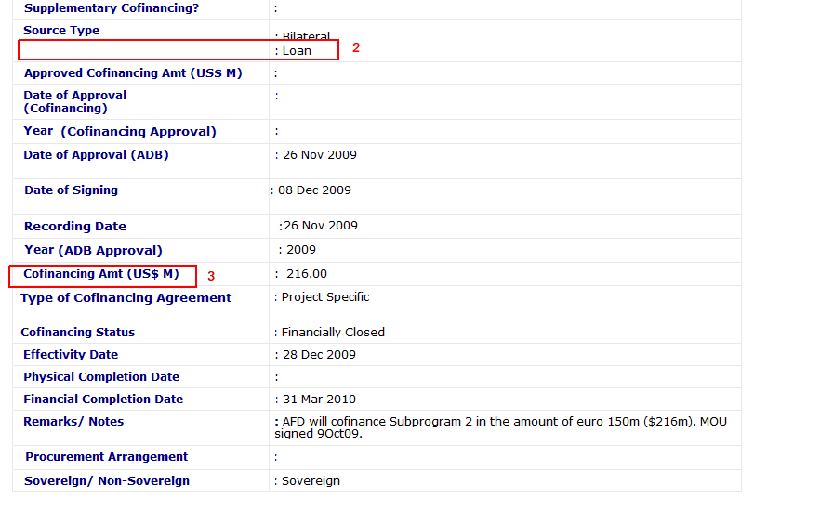
 | CoMs Web | CoFin Encoding | Note
1 | Number of Projects |  | Total Count of Projects per ‘Source Type’
2 | Total Cofinancing Amount | Cofinancing Amnt. | Total Value per ‘Source Type’
3 | Display by Grant/Loan/TA | Product Type

Loans Tab
 | CoMs Web | CoFin Encoding | Note
1 | Product Type | Source Type | Loans only
2 | DMC | DMC | Translate to Country Mnemonic
3 | Product Name | Title
4 | ADB Approval Number | Product Approval Number
5 | Year | Year (ADB Approval )
6 | Status | ??? | Can’t find status in the CoFin view
7 | Administrative Arrangement | Admnistrative Arrangement | All Administered Grant/Loans are Contractual

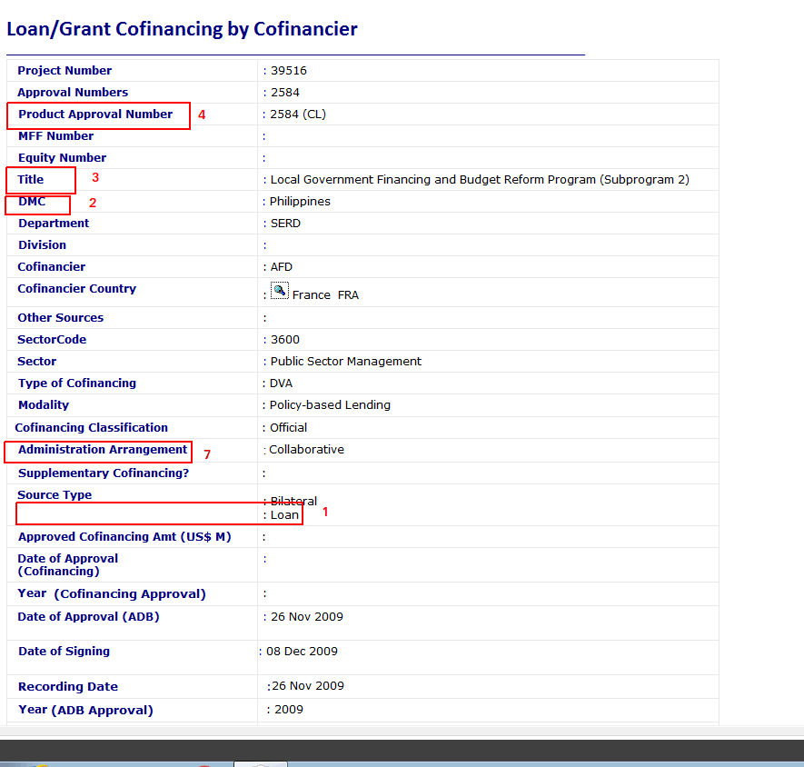

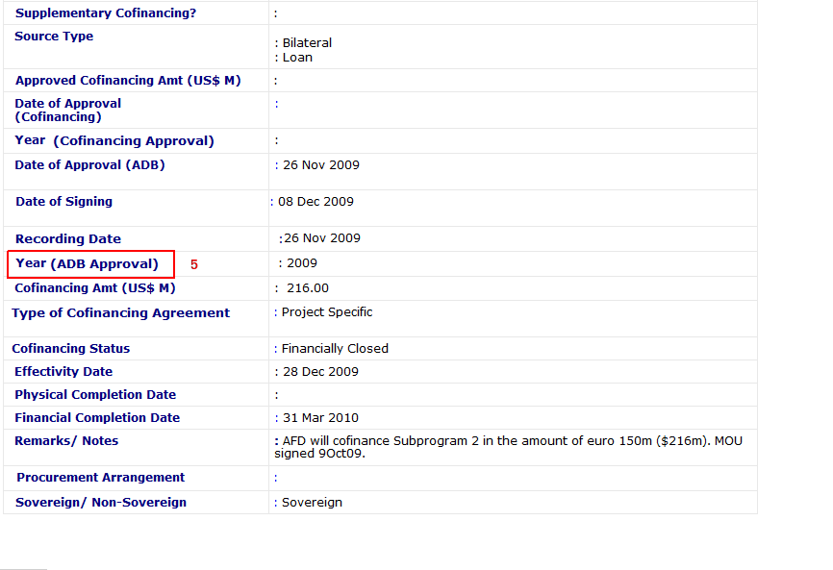
v

